About the template
The project “Effective Financing Tools for implementing Energy Efficiency in Buildings” (EFFECT4buildings) develops a comprehensive decision-making support tools with a set of financial instruments in cooperation with public building managers. The tools are: Financial calculation tools; Bundling; Funding; Convincing decision makers; Energy Performance Contracting; Multi Service Contract; Green Leasing Contract; Prosumerism. The tools and instruments have large potential helping building managers overcome financial barriers, based on nearly 40 interviews with the target group. The project improves these tools through several implemented pilots and test cases. Energy Performance Contracting (EPC) is a well-tested and successful model for energy saving. It is used by public building owners to reach climate and energy targets at a faster pace than with traditional implementation. There is still a large energy-saving potential in public sector. This template for baseline data is based on the Guide to EPC developed in the framework of the EFFECT4buildigs project. The guide introduces a new implementation model based on experiences in the countries involved in the EFFECT4buildings project - its main novelty aspects being contract based partnership during the analyses phase and new award criteria to better fit the goals of building owners. The Template for baseline data is part of a toolbox of 9 documents and templates adapted to the new implementation models various phases primarily emphasising the first two phases. Experiences from past EPC projects shows that decisions made early are crucial. The goal is to promote EPC as an energy saving model and simplify the start-up of an EPC project. The building owner fills in baseline data for it's bulding stock and include it as part of the tender documentation. The Excell sheet and its formulas must be quality assured before use. Please see the instructions for use in the next tab called "Baseline data per building".

Below is a schematic overview of the adapted tools and instruments for EPC:

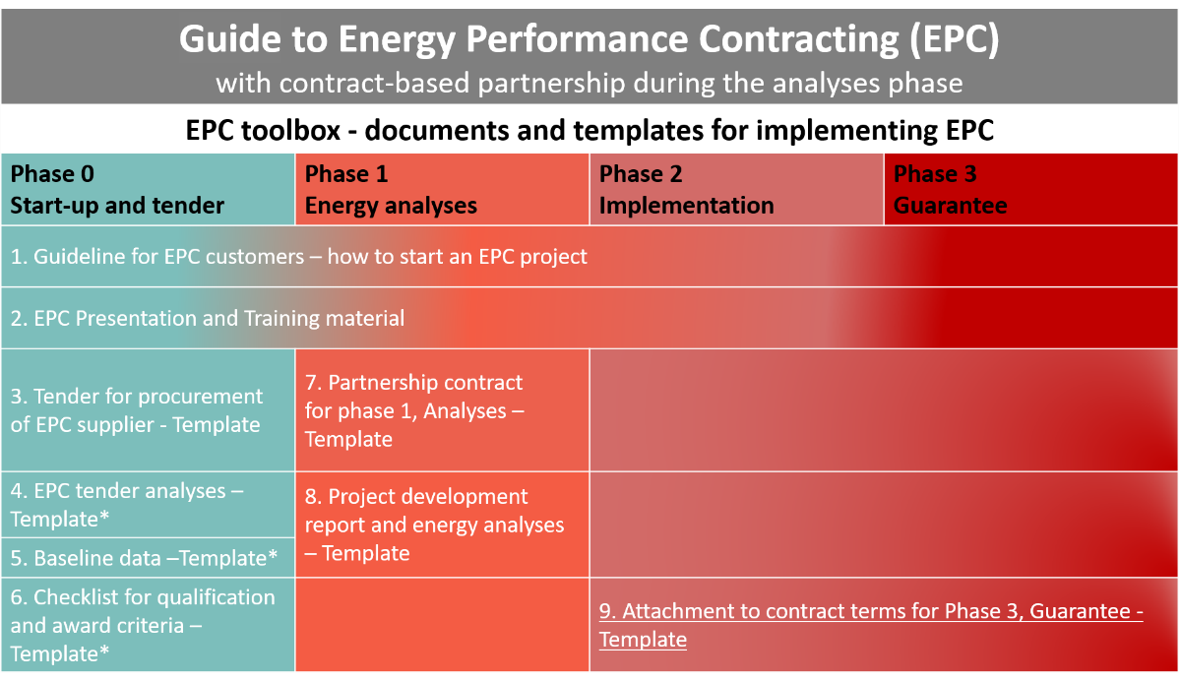

How to use the template
This template is part of EPC tender and should be filled in by the building owner
-
The spreadsheet should be thoroughly checked and adapted to national laws, regulations, and specific project conditions.
Please make sure all introductory text, texts in the margins and logos and layout are deleted before launching it as an attachment to the EPC tender.

